Sheet1
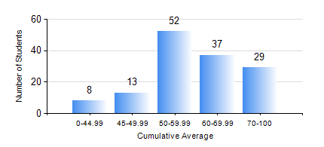
 |  |  | KWAME NKRUMAH UNIVERSITY OF SCIENCE AND TECHNOLOGY, KUMASI Department of Chemical Engineering

 |  |  | BSC. PETROCHEMICAL ENG.

 |  |  | COMPREHENSIVE RECORD OF EXAMINATION RESULTS

 |  |  | RESULTS OF YEAR 1 FIRST SEMESTER, 2021/2022 ACADEMIC YEAR

 | Sn | Course Code |  | Course Name | Credit Hours | Min. Mark | Max. Mark | Avg. Mark | Std. Dev. | No. Passed | No. Trailed | No. (Df) | No. (I) | No. (I*) | No. Tagged(I,I*,Df) | Total
 | 1. | CHE 151 |  | INORGANIC CHEMISTRY FOR ENGINEERS | 2 | 0 | 90 | 62 | 16.07 | 130 | 9 | 0 | 0 | 0 | 0 | 139
 | 2. | CHE 153 |  | ORGANIC CHEMISTRY FOR ENGINEERS | 2 | 0 | 88 | 52 | 13.24 | 122 | 17 | 0 | 0 | 0 | 0 | 139
 | 3. | CHEM 169 |  | PRACTICAL CHEMISTRY I | 3 | 0 | 84 | 68 | 11.61 | 135 | 4 | 0 | 0 | 0 | 0 | 139
 | 4. | EE 151 |  | APPLIED ELECTRICITY | 3 | 0 | 95 | 57 | 15.88 | 131 | 8 | 0 | 0 | 0 | 0 | 139
 | 5. | ENGL 157 |  | COMMUNICATION SKILLS I | 2 | 0 | 78 | 58 | 11.96 | 135 | 4 | 0 | 0 | 0 | 0 | 139
 | 6. | MATH 151 |  | ALGEBRA | 4 | 0 | 87 | 59 | 13.87 | 136 | 3 | 0 | 0 | 0 | 0 | 139
 | 7. | ME 159 |  | TECHNICAL DRAWING | 2 | 0 | 90 | 63 | 15.14 | 136 | 3 | 0 | 0 | 0 | 0 | 139

